House Prices
ID | Brick | Neighborhood | Price | SqFt | Bedrooms | Bathrooms | Offers | Brick "Dummy" No = 1 | Neighborhood "Dummy" West | Neighborhood "Dummy" East
1 | No | East | 114300 | 1790 | 2 | 2 | 2 | 1 | 0 | 1 |  | 45 | EAST
2 | No | East | 114200 | 2030 | 4 | 2 | 3 | 1 | 0 | 1 |  | 39 | WEST
3 | No | East | 114800 | 1740 | 3 | 2 | 1 | 1 | 0 | 1 |  | 44 | NORTH
4 | No | East | 94700 | 1980 | 3 | 2 | 3 | 1 | 0 | 1
5 | No | East | 119800 | 2130 | 3 | 3 | 3 | 1 | 0 | 1
6 | No | North | 114600 | 1780 | 3 | 2 | 2 | 1 | 0 | 0
7 | Yes | West | 151600 | 1830 | 3 | 3 | 3 | 0 | 1 | 0
8 | No | West | 150700 | 2160 | 4 | 2 | 2 | 1 | 1 | 0
9 | No | East | 119200 | 2110 | 4 | 2 | 3 | 1 | 0 | 1
10 | No | East | 104000 | 1730 | 3 | 3 | 3 | 1 | 0 | 1
11 | Yes | East | 132500 | 2030 | 3 | 2 | 3 | 0 | 0 | 1
12 | Yes | East | 123000 | 1870 | 2 | 2 | 2 | 0 | 0 | 1
13 | No | North | 102600 | 1910 | 3 | 2 | 4 | 1 | 0 | 0
14 | Yes | North | 126300 | 2150 | 3 | 3 | 5 | 0 | 0 | 0
15 | No | West | 176800 | 2590 | 4 | 3 | 4 | 1 | 1 | 0
16 | No | West | 145800 | 1780 | 4 | 2 | 1 | 1 | 1 | 0
17 | Yes | East | 147100 | 2190 | 3 | 3 | 4 | 0 | 0 | 1
18 | No | North | 83600 | 1990 | 3 | 3 | 4 | 1 | 0 | 0
19 | Yes | East | 111400 | 1700 | 2 | 2 | 1 | 0 | 0 | 1
20 | Yes | West | 167200 | 1920 | 3 | 3 | 2 | 0 | 1 | 0
21 | No | East | 116200 | 1790 | 3 | 2 | 3 | 1 | 0 | 1
22 | No | North | 113800 | 2000 | 3 | 2 | 4 | 1 | 0 | 0
23 | No | North | 91700 | 1690 | 3 | 2 | 3 | 1 | 0 | 0
24 | Yes | North | 106100 | 1820 | 3 | 2 | 3 | 0 | 0 | 0
25 | Yes | East | 156400 | 2210 | 4 | 3 | 2 | 0 | 0 | 1
26 | No | North | 149300 | 2290 | 4 | 3 | 3 | 1 | 0 | 0
27 | No | West | 137000 | 2000 | 4 | 2 | 3 | 1 | 1 | 0
28 | No | East | 99300 | 1700 | 3 | 2 | 2 | 1 | 0 | 1
29 | No | North | 69100 | 1600 | 2 | 2 | 3 | 1 | 0 | 0
30 | Yes | West | 188000 | 2040 | 4 | 3 | 1 | 0 | 1 | 0
31 | Yes | West | 182000 | 2250 | 4 | 3 | 3 | 0 | 1 | 0
32 | Yes | North | 112300 | 1930 | 2 | 2 | 2 | 0 | 0 | 0
33 | Yes | East | 135000 | 2250 | 3 | 3 | 3 | 0 | 0 | 1
34 | Yes | East | 139600 | 2280 | 5 | 3 | 4 | 0 | 0 | 1
35 | No | North | 117800 | 2000 | 2 | 2 | 3 | 1 | 0 | 0
36 | No | North | 117100 | 2080 | 3 | 3 | 3 | 1 | 0 | 0
37 | No | North | 117500 | 1880 | 2 | 2 | 2 | 1 | 0 | 0
38 | No | West | 147000 | 2420 | 4 | 3 | 4 | 1 | 1 | 0
39 | No | West | 131300 | 1720 | 3 | 2 | 1 | 1 | 1 | 0
40 | No | North | 108200 | 1740 | 3 | 2 | 2 | 1 | 0 | 0
41 | No | East | 106600 | 1560 | 2 | 2 | 1 | 1 | 0 | 1
42 | No | West | 133600 | 1840 | 4 | 3 | 2 | 1 | 1 | 0
43 | No | East | 105600 | 1990 | 2 | 2 | 3 | 1 | 0 | 1
44 | Yes | East | 154000 | 1920 | 3 | 2 | 1 | 0 | 0 | 1
45 | Yes | West | 166500 | 1940 | 3 | 3 | 2 | 0 | 1 | 0
46 | No | East | 103200 | 1810 | 3 | 2 | 3 | 1 | 0 | 1
47 | No | North | 129800 | 1990 | 2 | 3 | 2 | 1 | 0 | 0
48 | No | North | 90300 | 2050 | 3 | 2 | 6 | 1 | 0 | 0
49 | No | East | 115900 | 1980 | 2 | 2 | 2 | 1 | 0 | 1
50 | Yes | North | 107500 | 1700 | 3 | 2 | 3 | 0 | 0 | 0
51 | Yes | East | 151100 | 2100 | 3 | 2 | 3 | 0 | 0 | 1
52 | No | North | 91100 | 1860 | 2 | 2 | 3 | 1 | 0 | 0
53 | No | North | 117400 | 2150 | 2 | 3 | 4 | 1 | 0 | 0
54 | No | North | 130800 | 2100 | 3 | 2 | 3 | 1 | 0 | 0
55 | No | North | 81300 | 1650 | 3 | 2 | 3 | 1 | 0 | 0
56 | Yes | East | 125700 | 1720 | 2 | 2 | 2 | 0 | 0 | 1
57 | Yes | East | 140900 | 2190 | 3 | 2 | 3 | 0 | 0 | 1
58 | No | West | 152300 | 2240 | 4 | 3 | 3 | 1 | 1 | 0
59 | No | West | 138100 | 1840 | 3 | 3 | 1 | 1 | 1 | 0
60 | No | West | 155400 | 2090 | 4 | 2 | 1 | 1 | 1 | 0
61 | No | West | 180900 | 2200 | 3 | 3 | 1 | 1 | 1 | 0
62 | No | North | 100900 | 1610 | 2 | 2 | 2 | 1 | 0 | 0
63 | No | West | 161300 | 2220 | 4 | 3 | 2 | 1 | 1 | 0
64 | No | East | 120500 | 1910 | 2 | 3 | 2 | 1 | 0 | 1
65 | No | West | 130300 | 1860 | 3 | 2 | 2 | 1 | 1 | 0
66 | Yes | North | 111100 | 1450 | 2 | 2 | 1 | 0 | 0 | 0
67 | No | North | 126200 | 2210 | 3 | 3 | 4 | 1 | 0 | 0
68 | No | East | 151900 | 2040 | 4 | 3 | 3 | 1 | 0 | 1
69 | No | North | 93600 | 2140 | 3 | 2 | 4 | 1 | 0 | 0
70 | No | West | 165600 | 2080 | 4 | 3 | 3 | 1 | 1 | 0
71 | Yes | West | 166700 | 1950 | 3 | 3 | 3 | 0 | 1 | 0
72 | No | West | 157600 | 2160 | 4 | 2 | 1 | 1 | 1 | 0
73 | No | North | 107300 | 1650 | 3 | 2 | 3 | 1 | 0 | 0
74 | No | East | 125700 | 2040 | 3 | 3 | 2 | 1 | 0 | 1
75 | No | West | 144200 | 2140 | 3 | 3 | 3 | 1 | 1 | 0
76 | No | North | 106900 | 1900 | 2 | 2 | 2 | 1 | 0 | 0
77 | No | West | 129800 | 1930 | 3 | 2 | 2 | 1 | 1 | 0
78 | Yes | West | 176500 | 2280 | 4 | 3 | 3 | 0 | 1 | 0
79 | No | North | 121300 | 2130 | 3 | 2 | 3 | 1 | 0 | 0
80 | No | West | 143600 | 1780 | 4 | 2 | 1 | 1 | 1 | 0
81 | Yes | East | 143400 | 2190 | 3 | 3 | 4 | 0 | 0 | 1
82 | Yes | West | 184300 | 2140 | 4 | 3 | 2 | 0 | 1 | 0
83 | Yes | West | 164800 | 2050 | 2 | 2 | 1 | 0 | 1 | 0
84 | No | East | 147700 | 2410 | 3 | 3 | 2 | 1 | 0 | 1
85 | No | North | 90500 | 1520 | 2 | 2 | 3 | 1 | 0 | 0
86 | Yes | West | 188300 | 2250 | 4 | 3 | 2 | 0 | 1 | 0
87 | No | North | 102700 | 1900 | 4 | 2 | 4 | 1 | 0 | 0
88 | Yes | West | 172500 | 1880 | 3 | 3 | 1 | 0 | 1 | 0
89 | No | North | 127700 | 1930 | 3 | 3 | 2 | 1 | 0 | 0
90 | No | North | 97800 | 2010 | 2 | 2 | 4 | 1 | 0 | 0
91 | No | West | 143100 | 1920 | 4 | 2 | 2 | 1 | 1 | 0
92 | No | East | 116500 | 2150 | 3 | 2 | 2 | 1 | 0 | 1
93 | No | West | 142600 | 2110 | 3 | 2 | 2 | 1 | 1 | 0
94 | No | East | 157100 | 2080 | 3 | 3 | 2 | 1 | 0 | 1
95 | Yes | West | 160600 | 2150 | 4 | 3 | 3 | 0 | 1 | 0
96 | Yes | West | 152500 | 1970 | 2 | 2 | 1 | 0 | 1 | 0
97 | No | East | 133300 | 2440 | 3 | 3 | 3 | 1 | 0 | 1
98 | Yes | East | 126800 | 2000 | 2 | 2 | 1 | 0 | 0 | 1
99 | No | West | 145500 | 2060 | 3 | 2 | 1 | 1 | 1 | 0
100 | Yes | West | 171000 | 2080 | 3 | 3 | 2 | 0 | 1 | 0
101 | No | North | 103200 | 2010 | 3 | 2 | 5 | 1 | 0 | 0
102 | No | East | 123100 | 2260 | 3 | 3 | 5 | 1 | 0 | 1
103 | No | East | 136800 | 2410 | 3 | 3 | 4 | 1 | 0 | 1
104 | Yes | West | 211200 | 2440 | 4 | 3 | 3 | 0 | 1 | 0
105 | No | East | 82300 | 1910 | 3 | 2 | 4 | 1 | 0 | 1
106 | No | West | 146900 | 2530 | 4 | 3 | 4 | 1 | 1 | 0
107 | No | North | 108500 | 2130 | 3 | 2 | 4 | 1 | 0 | 0
108 | Yes | East | 134000 | 1890 | 3 | 2 | 1 | 0 | 0 | 1
109 | Yes | East | 117000 | 1990 | 3 | 3 | 3 | 0 | 0 | 1
110 | No | East | 108700 | 2110 | 3 | 2 | 3 | 1 | 0 | 1
111 | No | North | 111600 | 1710 | 2 | 2 | 1 | 1 | 0 | 0
112 | No | North | 114900 | 1740 | 2 | 2 | 2 | 1 | 0 | 0
113 | Yes | East | 123600 | 1940 | 2 | 2 | 2 | 0 | 0 | 1
114 | Yes | North | 115700 | 2000 | 3 | 2 | 3 | 0 | 0 | 0
115 | No | East | 124500 | 2010 | 4 | 3 | 2 | 1 | 0 | 1
116 | No | North | 102500 | 1900 | 3 | 3 | 3 | 1 | 0 | 0
117 | Yes | West | 199500 | 2290 | 5 | 4 | 1 | 0 | 1 | 0
118 | No | North | 117800 | 1920 | 3 | 2 | 2 | 1 | 0 | 0
119 | Yes | North | 150200 | 1950 | 3 | 2 | 3 | 0 | 0 | 0
120 | No | North | 109700 | 1920 | 2 | 2 | 4 | 1 | 0 | 0
121 | No | North | 110400 | 1930 | 2 | 3 | 3 | 1 | 0 | 0
122 | No | East | 105600 | 1930 | 3 | 3 | 3 | 1 | 0 | 1
123 | Yes | East | 144800 | 2060 | 2 | 2 | 1 | 0 | 0 | 1
124 | Yes | East | 119700 | 1900 | 3 | 3 | 3 | 0 | 0 | 1
125 | Yes | East | 147900 | 2160 | 4 | 3 | 3 | 0 | 0 | 1
126 | No | North | 113500 | 2070 | 2 | 2 | 2 | 1 | 0 | 0
127 | No | West | 149900 | 2020 | 3 | 3 | 1 | 1 | 1 | 0
128 | No | North | 124600 | 2250 | 3 | 3 | 4 | 1 | 0 | 0

 |  |  | 69100 | 1450 | 2 | 2 | 1 | 0 | 0 | 0 | min
 |  |  | 211200 | 2590 | 5 | 4 | 6 | 1 | 1 | 1 | max
 |  |  | 130427.34375 | 2000.9375 | 3.0234375 | 2.4453125 | 2.578125 | 0.671875 | 0.3515625 | 0.3046875 | average
 |  |  |  | 2000 | 3 | 2 | 2

Q1 & Q2 Pivot Table and Chart
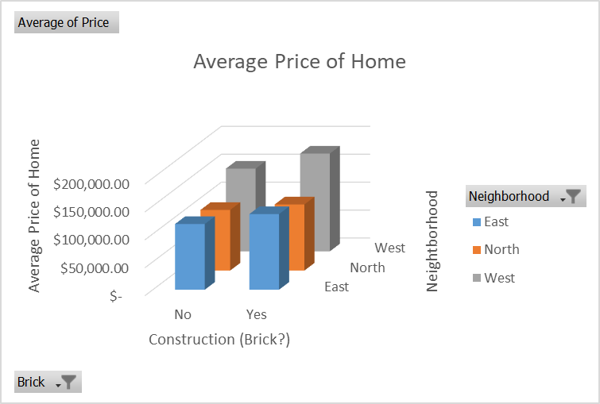
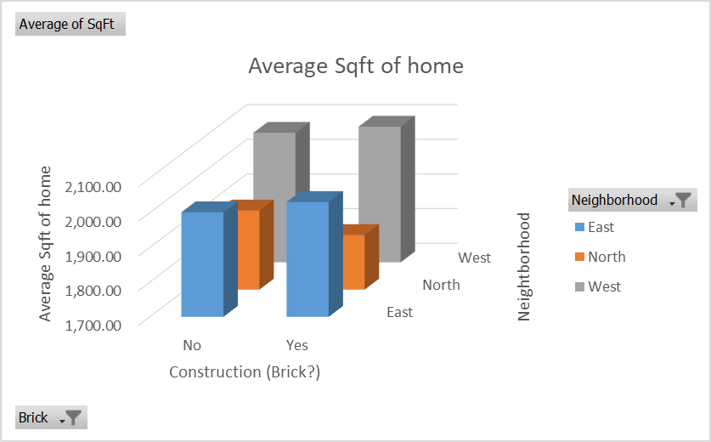
Average of Price | Neighborhood
Brick? | East | North | West | Average Price
No | $117,750.00 | $108,583.78 | $148,230.43 | $121,958.14
Yes | $135,468.42 | $118,457.14 | $175,200.00 | $147,769.05
Average Price | $125,231.11 | $110,154.55 | $159,294.87 | $130,427.34

Average of SqFt | Neighborhood
Brick? | East | North | West | Average Sqr Ft
No | 2,001.54 | 1,928.11 | 2,073.48 | 1,989.19
Yes | 2,031.05 | 1,857.14 | 2,091.25 | 2,025.00
Average Sqr Ft | 2,014.00 | 1,916.82 | 2,080.77 | 2,000.94

